Sheet6
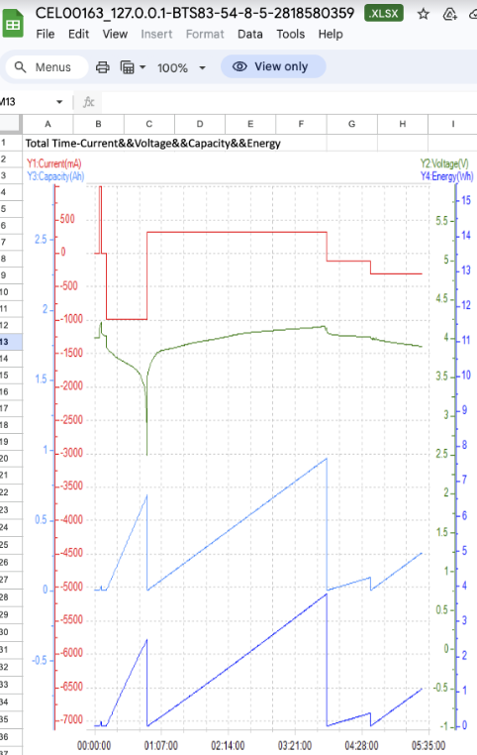

I found the experiment setup error
The cell didn't hit 4.2V and discharge rate was incorrect
I lost ~4hours but it was not critical

